graphics
Combined Water & Sewer Monthly Cost - 6000 Gallons Each
 | Combined Water & Sewer Monthly Cost | City Of Grand Haven (Combined) | Tri Cities Local Gov'ts (Combined) | City Of Grand Haven (Projected) | Local Unit Plus 5 Years Projected | Total Combined Cost
City of Grandville | 21.30 |  |  |  |  | 21.30
City of DeWitt | 22.10 |  |  |  |  | 22.10
City of Rochester - Rochester well | 23.36 |  |  |  |  | 23.36
City of Carson City | 24.42 |  |  |  |  | 24.42
Watertown Township | 31.67 |  |  |  |  | 31.67
City of Greenville | 32.55 |  |  |  |  | 32.55
City of Rochester- Detroit W/S | 33.53 |  |  |  |  | 33.53
Charter Township of Niles | 35.30 |  |  |  |  | 35.30
City of Ludington | 36.35 |  |  |  |  | 36.35
City of Whitehall | 37.08 |  |  |  |  | 37.08
City of Tecumseh | 40.55 |  |  |  |  | 40.55
Spring Lake Township | 44.48 |  | 44.48 |  |  | 44.48
City of Albion | 46.32 |  |  |  |  | 46.32
City of East Jordan | 47.04 |  |  |  |  | 47.04
City of Grand Haven | 47.68 | 47.68 |  |  |  | 47.68
Village of Lake Odessa | 49.30 |  |  |  |  | 49.30
City of Montague - 3/4" | 49.65 |  |  |  |  | 49.65
Village of Hart | 50.04 |  |  |  |  | 50.04
City of Grand Haven 7/1/2016 3+5 | 50.15 |  |  | 50.15 |  | 50.15
Chester Township | 51.00 |  |  |  |  | 51.00
City of Grand Haven 7/1/2017 3+5 | 51.66 |  |  | 51.66 |  | 51.66
City of Reed City | 51.77 |  |  |  |  | 51.77
City of St. Joseph | 52.97 |  |  |  |  | 52.97
City of Gaylord | 52.99 |  |  |  |  | 52.99
City of Zeeland | 53.08 |  |  |  |  | 53.08
City of Grand Haven 7/1/2018 3+5 | 54.24 |  |  | 54.24 |  | 54.24
City of Fremont | 54.79 |  |  |  |  | 54.79
City of Grand Haven 7/1/2019 3+5 | 55.88 |  |  | 55.88 |  | 55.88
Village of Kingsley | 56.00 |  |  |  |  | 56.00
Hillsdale BPW | 56.10 |  |  |  |  | 56.10
Village of Spring Lake | 56.33 |  | 56.33 |  |  | 56.33
Village of Almont | 56.45 |  |  |  |  | 56.45
City of Otsego | 57.11 |  |  |  |  | 57.11
City of Norton Shores | 57.34 |  |  |  |  | 57.34
City of Coopersville | 57.43 |  |  |  |  | 57.43
City of Morenci | 57.49 |  |  |  |  | 57.49
City of Yale | 57.55 |  |  |  |  | 57.55
City of Ferrysburg | 57.67 |  | 57.67 |  |  | 57.67
City of Bronson | 58.23 |  |  |  |  | 58.23
City of Grand Haven 7/1/2020 3+5+RTS 3 yrs | 58.57 |  |  | 58.57 |  | 58.57
City of Coldwater | 58.70 |  |  |  |  | 58.70
City of Iron Mountain | 59.31 |  |  |  |  | 59.31
Grand Haven Charter Township | 59.75 |  | 59.75 |  |  | 59.75
City of Grosse Pointe | 60.14 |  |  |  |  | 60.14
City of Boyne City | 60.44 |  |  |  |  | 60.44
Village of Paw Paw | 61.01 |  |  |  |  | 61.01
City of Montague - 1" | 61.53 |  |  |  |  | 61.53
City of Lincoln Park | 61.53 |  |  |  |  | 61.53
City of East Grand Rapds | 61.67 |  |  |  |  | 61.67
...
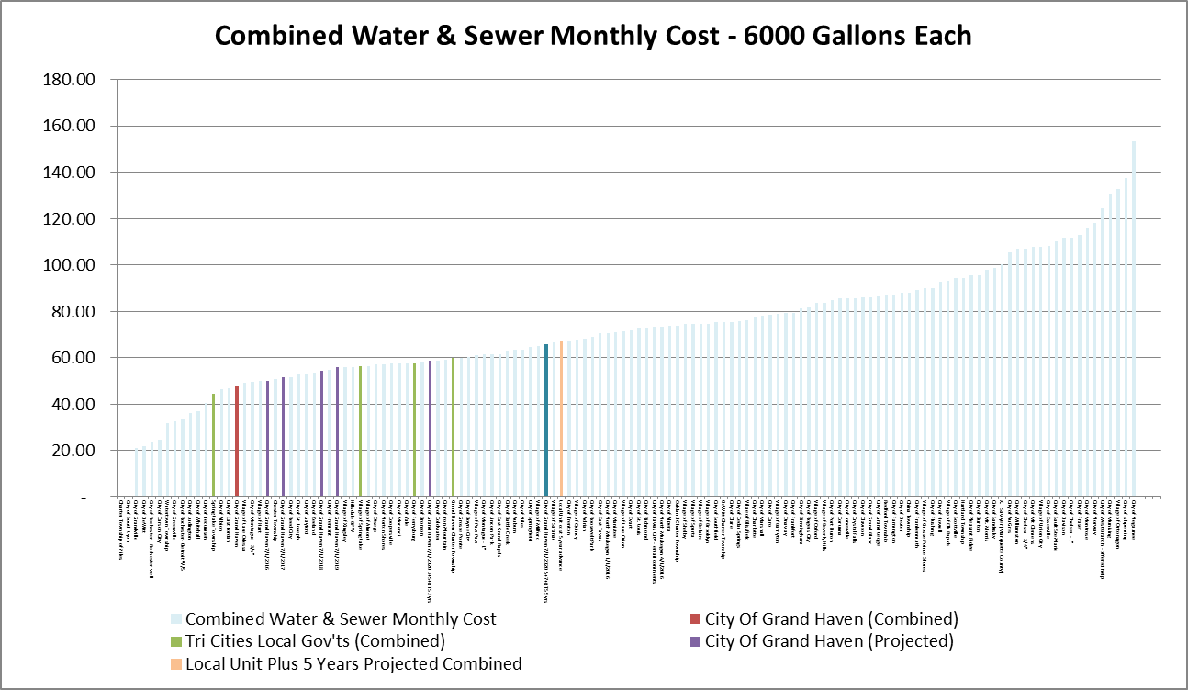
Sort Column F

"Picture" --->

<--- "Active"

Sort on column F
then
copy the graph
to Column K --->
as a picture

This --->
was an earlier
sample

Water Monthly Cost - 6000 Gallons
 | Water Monthly Cost | City of Grand Haven Water Only | Tri Cities Local Gov'ts Water Only | City of Grand Haven Water Only (Projected) | Local Unit Plus 5 Years Water Projected
City of Grandville | 8.10
City of DeWitt | -
City of Rochester - Rochester well | 4.46
City of Carson City | 15.42
Watertown Township | -
City of Greenville | 10.82
City of Rochester- Detroit W/S | 14.63
Charter Township of Niles | 10.30
City of Ludington | 16.25
City of Whitehall | 10.98
City of Tecumseh | 12.24
Spring Lake Township | 21.26 |  | 21.26
City of Albion | 19.39
City of East Jordan | 22.16
City of Grand Haven | 16.79 | 16.79
Village of Lake Odessa | 25.10
City of Montague - 3/4" | 13.80
Village of Hart | 10.33
City of Grand Haven 7/1/2016 3+5 | 17.94 |  |  | 17.94
Chester Township | -
City of Grand Haven 7/1/2017 3+5 | 18.62 |  |  | 18.62
City of Reed City | 18.31
City of St. Joseph | 29.60
City of Gaylord | 13.43
City of Zeeland | 20.76
City of Grand Haven 7/1/2018 3+5 | 19.84 |  |  | 19.84
City of Fremont | 23.17
City of Grand Haven 7/1/2019 3+5 | 20.59 |  |  | 20.59
Village of Kingsley | 23.00
Hillsdale BPW | 23.50
Village of Spring Lake | 23.22 |  | 23.22
Village of Almont | 22.58
City of Otsego | 14.54
City of Norton Shores | 30.36
City of Coopersville | 29.74
City of Morenci | 14.40
City of Yale | 37.92
City of Ferrysburg | 22.89 |  | 22.89
City of Bronson | 21.80
City of Grand Haven 7/1/2020 3+5+RTS 3 yrs | 21.87 |  |  | 21.87
City of Coldwater | 23.82
City of Iron Mountain | 26.76
Grand Haven Charter Township | 27.24 |  | 27.24
City of Grosse Pointe | 29.52
City of Boyne City | 24.84
Village of Paw Paw | 31.65
City of Montague - 1" | 13.80
City of Lincoln Park | 27.50
City of East Grand Rapds | 14.70
...
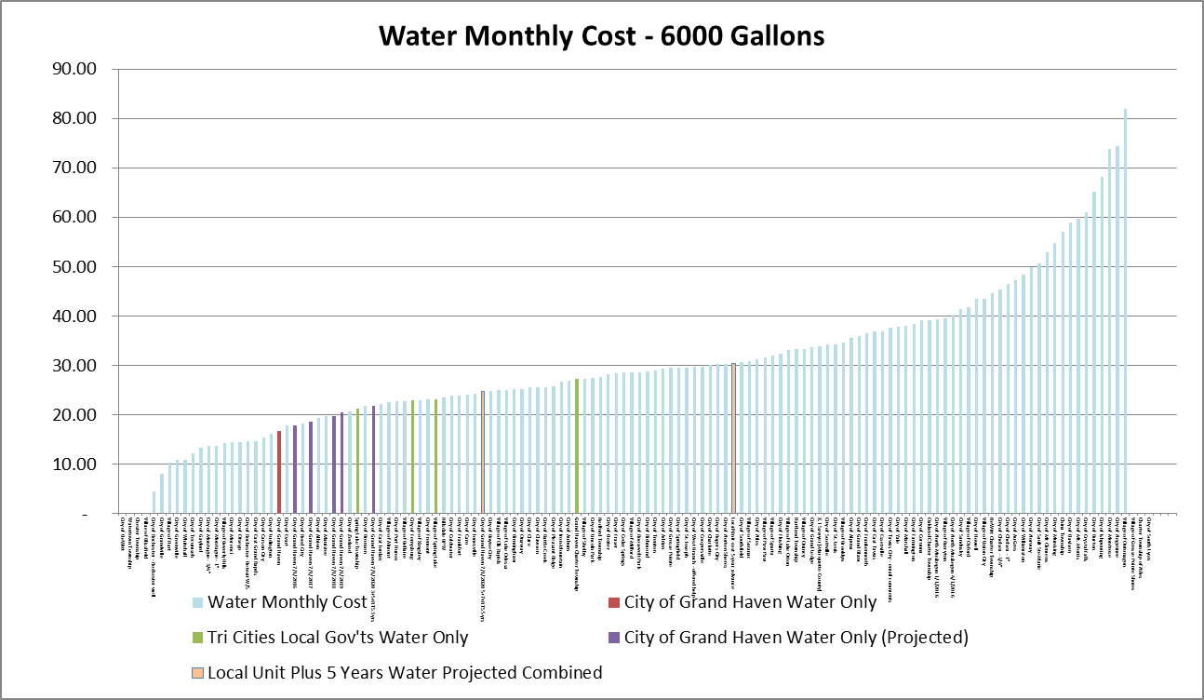
Sort column C

"Picture" --->

<--- "Active"

Sort on column C
then
copy the graph
to Column K--->
as a picture

This --->
was an earlier
sample

Sewer Monthly Cost - 6000 Gallons Each
 | Sewer Monthly Cost | City of Grand Haven Sewer Only | Tri Cities Local Gov'ts Sewer Only | City of Grand Haven Sewer Only (Projected) | Local Unit Plus 5 Years Sewer Projected
City of Grandville | 13.20
City of DeWitt | 22.10
City of Rochester - Rochester well | 18.90
City of Carson City | 9.00
Watertown Township | 31.67
City of Greenville | 21.73
City of Rochester- Detroit W/S | 18.90
Charter Township of Niles | 25.00
City of Ludington | 20.10
City of Whitehall | 26.10
City of Tecumseh | 28.31
Spring Lake Township | 23.22 |  | 23.22
City of Albion | 26.93
City of East Jordan | 24.88
City of Grand Haven | 30.89 | 30.89
Village of Lake Odessa | 24.20
City of Montague - 3/4" | 21.00
Village of Hart | 39.71
City of Grand Haven 7/1/2016 3+5 | 32.21 |  |  | 32.21
Chester Township | 51.00
City of Grand Haven 7/1/2017 3+5 | 33.04 |  |  | 33.04
City of Reed City | 33.46
City of St. Joseph | 23.37
City of Gaylord | 30.56
City of Zeeland | 32.32
City of Grand Haven 7/1/2018 3+5 | 34.40 |  |  | 34.4
City of Fremont | 31.62
City of Grand Haven 7/1/2019 3+5 | 35.29 |  |  | 35.29
Village of Kingsley | 33.00
Hillsdale BPW | 32.60
Village of Spring Lake | 33.11 |  | 33.11
Village of Almont | 29.07
City of Otsego | 42.57
City of Norton Shores | 26.98
City of Coopersville | 27.69
City of Morenci | 20.22
City of Yale | 19.63
City of Ferrysburg | 34.78 |  | 34.78
City of Bronson | 36.43
City of Grand Haven 7/1/2020 3+5+RTS 3 yrs | 36.70 |  |  | 36.7
City of Coldwater | 34.88
City of Iron Mountain | 32.55
Grand Haven Charter Township | 32.51 |  | 32.51
City of Grosse Pointe | 30.62
City of Boyne City | 35.60
Village of Paw Paw | 29.36
City of Montague - 1" | 21.00
City of Lincoln Park | 34.03
City of East Grand Rapds | 15.30
...
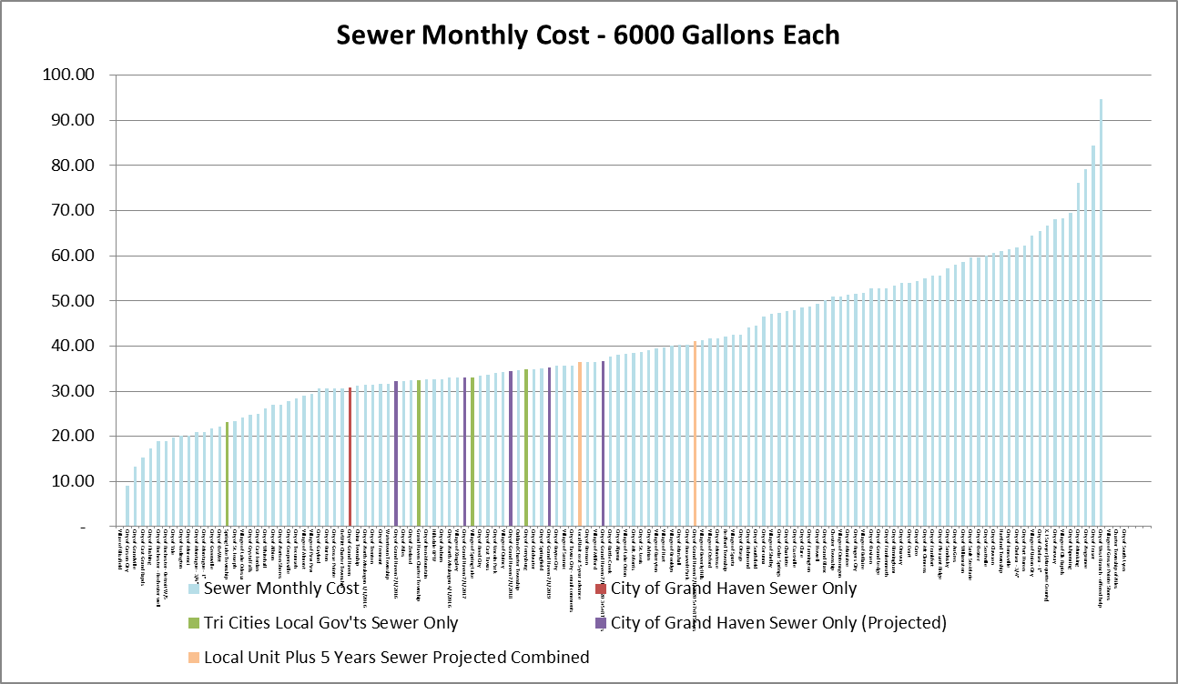
Sort column D

"Picture" --->

<--- "Active"

Sort on column D
then
copy the graph
to Column K --->
as a picture

This --->
was an earlier
sample

Combined Water & Sewer Monthly Cost - 6000 Gallons Each
 | Combined Water & Sewer Monthly Cost | City Of Grand Haven (Combined) | Tri Cities Local Gov'ts (Combined) | Total Combined Cost
City of Grandville | 21.30 |  |  | 21.30
City of DeWitt | 22.10 |  |  | 22.10
City of Rochester - Rochester well | 23.36 |  |  | 23.36
City of Carson City | 24.42 |  |  | 24.42
Watertown Township | 31.67 |  |  | 31.67
City of Greenville | 32.55 |  |  | 32.55
City of Rochester- Detroit W/S | 33.53 |  |  | 33.53
Charter Township of Niles | 35.30 |  |  | 35.30
City of Ludington | 36.35 |  |  | 36.35
City of Whitehall | 37.08 |  |  | 37.08
City of Tecumseh | 40.55 |  |  | 40.55
Spring Lake Township | 44.48 |  | 44.48 | 44.48
City of Albion | 46.32 |  |  | 46.32
City of East Jordan | 47.04 |  |  | 47.04
City of Grand Haven | 47.68 | 47.68 |  | 47.68
Village of Lake Odessa | 49.30 |  |  | 49.30
City of Montague - 3/4" | 49.65 |  |  | 49.65
Village of Hart | 50.04 |  |  | 50.04
City of Grand Haven 7/1/2016 3+5 | 50.15 |  |  | 50.15
Chester Township | 51.00 |  |  | 51.00
City of Grand Haven 7/1/2017 3+5 | 51.66 |  |  | 51.66
City of Reed City | 51.77 |  |  | 51.77
City of St. Joseph | 52.97 |  |  | 52.97
City of Gaylord | 52.99 |  |  | 52.99
City of Zeeland | 53.08 |  |  | 53.08
City of Grand Haven 7/1/2018 3+5 | 54.24 |  |  | 54.24
City of Fremont | 54.79 |  |  | 54.79
City of Grand Haven 7/1/2019 3+5 | 55.88 |  |  | 55.88
Village of Kingsley | 56.00 |  |  | 56.00
Hillsdale BPW | 56.10 |  |  | 56.10
Village of Spring Lake | 56.33 |  | 56.33 | 56.33
Village of Almont | 56.45 |  |  | 56.45
City of Otsego | 57.11 |  |  | 57.11
City of Norton Shores | 57.34 |  |  | 57.34
City of Coopersville | 57.43 |  |  | 57.43
City of Morenci | 57.49 |  |  | 57.49
City of Yale | 57.55 |  |  | 57.55
City of Ferrysburg | 57.67 |  | 57.67 | 57.67
City of Bronson | 58.23 |  |  | 58.23
City of Grand Haven 7/1/2020 3+5+RTS 3 yrs | 58.57 |  |  | 58.57
City of Coldwater | 58.70 |  |  | 58.70
City of Iron Mountain | 59.31 |  |  | 59.31
Grand Haven Charter Township | 59.75 |  | 59.75 | 59.75
City of Grosse Pointe | 60.14 |  |  | 60.14
City of Boyne City | 60.44 |  |  | 60.44
Village of Paw Paw | 61.01 |  |  | 61.01
City of Montague - 1" | 61.53 |  |  | 61.53
City of Lincoln Park | 61.53 |  |  | 61.53
City of East Grand Rapds | 61.67 |  |  | 61.67
...
Sort Column F

Combined Water & Sewer Monthly Cost - 6000 Gallons Each
 | Combined Water & Sewer Monthly Cost | City Of Grand Haven (Combined) | Tri Cities Local Gov'ts (Combined) | City Of Grand Haven (Projected) | Local Unit Plus 5 Years Projected | Total Combined Cost
City of Grandville | 21.30 |  |  |  |  | 21.30
City of DeWitt | 22.10 |  |  |  |  | 22.10
City of Rochester - Rochester well | 23.36 |  |  |  |  | 23.36
City of Carson City | 24.42 |  |  |  |  | 24.42
Watertown Township | 31.67 |  |  |  |  | 31.67
City of Greenville | 32.55 |  |  |  |  | 32.55
City of Rochester- Detroit W/S | 33.53 |  |  |  |  | 33.53
Charter Township of Niles | 35.30 |  |  |  |  | 35.30
City of Ludington | 36.35 |  |  |  |  | 36.35
City of Whitehall | 37.08 |  |  |  |  | 37.08
City of Tecumseh | 40.55 |  |  |  |  | 40.55
Spring Lake Township | 44.48 |  | 44.48 |  |  | 44.48
City of Albion | 46.32 |  |  |  |  | 46.32
City of East Jordan | 47.04 |  |  |  |  | 47.04
City of Grand Haven | 47.68 | 47.68 |  |  |  | 47.68
Village of Lake Odessa | 49.30 |  |  |  |  | 49.30
City of Montague - 3/4" | 49.65 |  |  |  |  | 49.65
Village of Hart | 50.04 |  |  |  |  | 50.04
City of Grand Haven 7/1/2016 3+5 | 50.15 |  |  | 50.15 |  | 50.15
Chester Township | 51.00 |  |  |  |  | 51.00
City of Grand Haven 7/1/2017 3+5 | 51.66 |  |  | 51.66 |  | 51.66
City of Reed City | 51.77 |  |  |  |  | 51.77
City of St. Joseph | 52.97 |  |  |  |  | 52.97
City of Gaylord | 52.99 |  |  |  |  | 52.99
City of Zeeland | 53.08 |  |  |  |  | 53.08
City of Grand Haven 7/1/2018 3+5 | 54.24 |  |  | 54.24 |  | 54.24
City of Fremont | 54.79 |  |  |  |  | 54.79
City of Grand Haven 7/1/2019 3+5 | 55.88 |  |  | 55.88 |  | 55.88
Village of Kingsley | 56.00 |  |  |  |  | 56.00
Hillsdale BPW | 56.10 |  |  |  |  | 56.10
Village of Spring Lake | 56.33 |  | 56.33 |  |  | 56.33
Village of Almont | 56.45 |  |  |  |  | 56.45
City of Otsego | 57.11 |  |  |  |  | 57.11
City of Norton Shores | 57.34 |  |  |  |  | 57.34
City of Coopersville | 57.43 |  |  |  |  | 57.43
City of Morenci | 57.49 |  |  |  |  | 57.49
City of Yale | 57.55 |  |  |  |  | 57.55
City of Ferrysburg | 57.67 |  | 57.67 |  |  | 57.67
City of Bronson | 58.23 |  |  |  |  | 58.23
City of Grand Haven 7/1/2020 3+5+RTS 3 yrs | 58.57 |  |  | 58.57 |  | 58.57
City of Coldwater | 58.70 |  |  |  |  | 58.70
City of Iron Mountain | 59.31 |  |  |  |  | 59.31
Grand Haven Charter Township | 59.75 |  | 59.75 |  |  | 59.75
City of Grosse Pointe | 60.14 |  |  |  |  | 60.14
City of Boyne City | 60.44 |  |  |  |  | 60.44
Village of Paw Paw | 61.01 |  |  |  |  | 61.01
City of Montague - 1" | 61.53 |  |  |  |  | 61.53
City of Lincoln Park | 61.53 |  |  |  |  | 61.53
City of East Grand Rapds | 61.67 |  |  |  |  | 61.67
...
Sort Column F

Combined Water & Sewer Monthly Cost - 6000 Gallons Each
 | Combined Water & Sewer Monthly Cost | City Of Grand Haven (Combined) | City Of Grand Haven (Projected) | Total Combined Cost
City of Grandville | 21.30 |  |  | 21.30
City of DeWitt | 22.10 |  |  | 22.10
City of Rochester - Rochester well | 23.36 |  |  | 23.36
City of Carson City | 24.42 |  |  | 24.42
Watertown Township | 31.67 |  |  | 31.67
City of Greenville | 32.55 |  |  | 32.55
City of Rochester- Detroit W/S | 33.53 |  |  | 33.53
Charter Township of Niles | 35.30 |  |  | 35.30
City of Ludington | 36.35 |  |  | 36.35
City of Whitehall | 37.08 |  |  | 37.08
City of Tecumseh | 40.55 |  |  | 40.55
Spring Lake Township | 44.48 |  |  | 44.48
City of Albion | 46.32 |  |  | 46.32
City of East Jordan | 47.04 |  |  | 47.04
City of Grand Haven | 47.68 | 47.68 |  | 47.68
Village of Lake Odessa | 49.30 |  |  | 49.30
City of Montague - 3/4" | 49.65 |  |  | 49.65
Village of Hart | 50.04 |  |  | 50.04
City of Grand Haven 7/1/2016 3+5 | 50.15 |  | 50.15 | 50.15
Chester Township | 51.00 |  |  | 51.00
City of Grand Haven 7/1/2017 3+5 | 51.66 |  | 51.66 | 51.66
City of Reed City | 51.77 |  |  | 51.77
City of St. Joseph | 52.97 |  |  | 52.97
City of Gaylord | 52.99 |  |  | 52.99
City of Zeeland | 53.08 |  |  | 53.08
City of Grand Haven 7/1/2018 3+5 | 54.24 |  | 54.24 | 54.24
City of Fremont | 54.79 |  |  | 54.79
City of Grand Haven 7/1/2019 3+5 | 55.88 |  | 55.88 | 55.88
Village of Kingsley | 56.00 |  |  | 56.00
Hillsdale BPW | 56.10 |  |  | 56.10
Village of Spring Lake | 56.33 |  |  | 56.33
Village of Almont | 56.45 |  |  | 56.45
City of Otsego | 57.11 |  |  | 57.11
City of Norton Shores | 57.34 |  |  | 57.34
City of Coopersville | 57.43 |  |  | 57.43
City of Morenci | 57.49 |  |  | 57.49
City of Yale | 57.55 |  |  | 57.55
City of Ferrysburg | 57.67 |  |  | 57.67
City of Bronson | 58.23 |  |  | 58.23
City of Grand Haven 7/1/2020 3+5+RTS 3 yrs | 58.57 |  | 58.57 | 58.57
City of Coldwater | 58.70 |  |  | 58.70
City of Iron Mountain | 59.31 |  |  | 59.31
Grand Haven Charter Township | 59.75 |  |  | 59.75
City of Grosse Pointe | 60.14 |  |  | 60.14
City of Boyne City | 60.44 |  |  | 60.44
Village of Paw Paw | 61.01 |  |  | 61.01
City of Montague - 1" | 61.53 |  |  | 61.53
City of Lincoln Park | 61.53 |  |  | 61.53
City of East Grand Rapds | 61.67 |  |  | 61.67
...
Sort Column F

Combined Water & Sewer Monthly Cost - 6000 Gallons Each
 | Combined Water & Sewer Monthly Cost | City Of Grand Haven (Combined) | Total Combined Cost
City of Grandville | 21.30 |  | 21.30
City of DeWitt | 22.10 |  | 22.10
City of Rochester - Rochester well | 23.36 |  | 23.36
City of Carson City | 24.42 |  | 24.42
Watertown Township | 31.67 |  | 31.67
City of Greenville | 32.55 |  | 32.55
City of Rochester- Detroit W/S | 33.53 |  | 33.53
Charter Township of Niles | 35.30 |  | 35.30
City of Ludington | 36.35 |  | 36.35
City of Whitehall | 37.08 |  | 37.08
City of Tecumseh | 40.55 |  | 40.55
Spring Lake Township | 44.48 |  | 44.48
City of Albion | 46.32 |  | 46.32
City of East Jordan | 47.04 |  | 47.04
City of Grand Haven | 47.68 | 47.68 | 47.68
Village of Lake Odessa | 49.30 |  | 49.30
City of Montague - 3/4" | 49.65 |  | 49.65
Village of Hart | 50.04 |  | 50.04
City of Grand Haven 7/1/2016 3+5 | 50.15 |  | 50.15
Chester Township | 51.00 |  | 51.00
City of Grand Haven 7/1/2017 3+5 | 51.66 |  | 51.66
City of Reed City | 51.77 |  | 51.77
City of St. Joseph | 52.97 |  | 52.97
City of Gaylord | 52.99 |  | 52.99
City of Zeeland | 53.08 |  | 53.08
City of Grand Haven 7/1/2018 3+5 | 54.24 |  | 54.24
City of Fremont | 54.79 |  | 54.79
City of Grand Haven 7/1/2019 3+5 | 55.88 |  | 55.88
Village of Kingsley | 56.00 |  | 56.00
Hillsdale BPW | 56.10 |  | 56.10
Village of Spring Lake | 56.33 |  | 56.33
Village of Almont | 56.45 |  | 56.45
City of Otsego | 57.11 |  | 57.11
City of Norton Shores | 57.34 |  | 57.34
City of Coopersville | 57.43 |  | 57.43
City of Morenci | 57.49 |  | 57.49
City of Yale | 57.55 |  | 57.55
City of Ferrysburg | 57.67 |  | 57.67
City of Bronson | 58.23 |  | 58.23
City of Grand Haven 7/1/2020 3+5+RTS 3 yrs | 58.57 |  | 58.57
City of Coldwater | 58.70 |  | 58.70
City of Iron Mountain | 59.31 |  | 59.31
Grand Haven Charter Township | 59.75 |  | 59.75
City of Grosse Pointe | 60.14 |  | 60.14
City of Boyne City | 60.44 |  | 60.44
Village of Paw Paw | 61.01 |  | 61.01
City of Montague - 1" | 61.53 |  | 61.53
City of Lincoln Park | 61.53 |  | 61.53
City of East Grand Rapds | 61.67 |  | 61.67
...
Sort Column F

Combined Water & Sewer Monthly Cost - 6000 Gallons Each
 | Combined Water & Sewer Monthly Cost | City Of Grand Haven (Combined) | Total Combined Cost
City of Grandville | 21.30 |  | 21.30
City of DeWitt | 22.10 |  | 22.10
City of Rochester - Rochester well | 23.36 |  | 23.36
City of Carson City | 24.42 |  | 24.42
Watertown Township | 31.67 |  | 31.67
City of Greenville | 32.55 |  | 32.55
City of Rochester- Detroit W/S | 33.53 |  | 33.53
Charter Township of Niles | 35.30 |  | 35.30
City of Ludington | 36.35 |  | 36.35
City of Whitehall | 37.08 |  | 37.08
City of Tecumseh | 40.55 |  | 40.55
Spring Lake Township | 44.48 |  | 44.48
City of Albion | 46.32 |  | 46.32
City of East Jordan | 47.04 |  | 47.04
City of Grand Haven | 47.68 | 47.68 | 47.68
Village of Lake Odessa | 49.30 |  | 49.30
City of Montague - 3/4" | 49.65 |  | 49.65
Village of Hart | 50.04 |  | 50.04
City of Grand Haven 7/1/2016 3+5 | 50.15 |  | 50.15
Chester Township | 51.00 |  | 51.00
City of Grand Haven 7/1/2017 3+5 | 51.66 |  | 51.66
City of Reed City | 51.77 |  | 51.77
City of St. Joseph | 52.97 |  | 52.97
City of Gaylord | 52.99 |  | 52.99
City of Zeeland | 53.08 |  | 53.08
City of Grand Haven 7/1/2018 3+5 | 54.24 |  | 54.24
City of Fremont | 54.79 |  | 54.79
City of Grand Haven 7/1/2019 3+5 | 55.88 |  | 55.88
Village of Kingsley | 56.00 |  | 56.00
Hillsdale BPW | 56.10 |  | 56.10
Village of Spring Lake | 56.33 |  | 56.33
Village of Almont | 56.45 |  | 56.45
City of Otsego | 57.11 |  | 57.11
City of Norton Shores | 57.34 |  | 57.34
City of Coopersville | 57.43 |  | 57.43
City of Morenci | 57.49 |  | 57.49
City of Yale | 57.55 |  | 57.55
City of Ferrysburg | 57.67 |  | 57.67
City of Bronson | 58.23 |  | 58.23
City of Grand Haven 7/1/2020 3+5+RTS 3 yrs | 58.57 |  | 58.57
City of Coldwater | 58.70 |  | 58.70
City of Iron Mountain | 59.31 |  | 59.31
Grand Haven Charter Township | 59.75 |  | 59.75
City of Grosse Pointe | 60.14 |  | 60.14
City of Boyne City | 60.44 |  | 60.44
Village of Paw Paw | 61.01 |  | 61.01
City of Montague - 1" | 61.53 |  | 61.53
City of Lincoln Park | 61.53 |  | 61.53
City of East Grand Rapds | 61.67 |  | 61.67
...
Sort Column F

Combined Water & Sewer Monthly Cost - 6000 Gallons Each
 | Combined Water & Sewer Monthly Cost | City Of Grand Haven (Combined) | Tri Cities Local Gov'ts (Combined) | Total Combined Cost
City of Grandville | 21.30 |  |  | 21.30
City of DeWitt | 22.10 |  |  | 22.10
City of Rochester - Rochester well | 23.36 |  |  | 23.36
City of Carson City | 24.42 |  |  | 24.42
Watertown Township | 31.67 |  |  | 31.67
City of Greenville | 32.55 |  |  | 32.55
City of Rochester- Detroit W/S | 33.53 |  |  | 33.53
Charter Township of Niles | 35.30 |  |  | 35.30
City of Ludington | 36.35 |  |  | 36.35
City of Whitehall | 37.08 |  |  | 37.08
City of Tecumseh | 40.55 |  |  | 40.55
Spring Lake Township | 44.48 |  | 44.48 | 44.48
City of Albion | 46.32 |  |  | 46.32
City of East Jordan | 47.04 |  |  | 47.04
City of Grand Haven | 47.68 | 47.68 |  | 47.68
Village of Lake Odessa | 49.30 |  |  | 49.30
City of Montague - 3/4" | 49.65 |  |  | 49.65
Village of Hart | 50.04 |  |  | 50.04
City of Grand Haven 7/1/2016 3+5 | 50.15 |  |  | 50.15
Chester Township | 51.00 |  |  | 51.00
City of Grand Haven 7/1/2017 3+5 | 51.66 |  |  | 51.66
City of Reed City | 51.77 |  |  | 51.77
City of St. Joseph | 52.97 |  |  | 52.97
City of Gaylord | 52.99 |  |  | 52.99
City of Zeeland | 53.08 |  |  | 53.08
City of Grand Haven 7/1/2018 3+5 | 54.24 |  |  | 54.24
City of Fremont | 54.79 |  |  | 54.79
City of Grand Haven 7/1/2019 3+5 | 55.88 |  |  | 55.88
Village of Kingsley | 56.00 |  |  | 56.00
Hillsdale BPW | 56.10 |  |  | 56.10
Village of Spring Lake | 56.33 |  | 56.33 | 56.33
Village of Almont | 56.45 |  |  | 56.45
City of Otsego | 57.11 |  |  | 57.11
City of Norton Shores | 57.34 |  |  | 57.34
City of Coopersville | 57.43 |  |  | 57.43
City of Morenci | 57.49 |  |  | 57.49
City of Yale | 57.55 |  |  | 57.55
City of Ferrysburg | 57.67 |  | 57.67 | 57.67
City of Bronson | 58.23 |  |  | 58.23
City of Grand Haven 7/1/2020 3+5+RTS 3 yrs | 58.57 |  |  | 58.57
City of Coldwater | 58.70 |  |  | 58.70
City of Iron Mountain | 59.31 |  |  | 59.31
Grand Haven Charter Township | 59.75 |  | 59.75 | 59.75
City of Grosse Pointe | 60.14 |  |  | 60.14
City of Boyne City | 60.44 |  |  | 60.44
Village of Paw Paw | 61.01 |  |  | 61.01
City of Montague - 1" | 61.53 |  |  | 61.53
City of Lincoln Park | 61.53 |  |  | 61.53
City of East Grand Rapds | 61.67 |  |  | 61.67
...
Sort Column F

